FAQ's
Where can I find Faculty salary and FTE breakdown?
 | The best way to find the current annual salary and FTE breakdown can be found on the Employee Funding Roster (EFR).
 |  | Annual salary is found in "Total Comp Rate" column
 | The EFR can be loaded from the snapshot home page under the reports tab.

 | NOTE: Faculty with CE appointments are not correct on the EFR, please reach out to APSU for current CE salary rate

Where can I find EMPL ID or Net ID?
 | The Employee ID of EMPL ID can also be found on the Employee Funding Roster (EFR).

 | The Employee NetID can be found at profiles.ucr.edu
 |  | Be sure to log in before you search
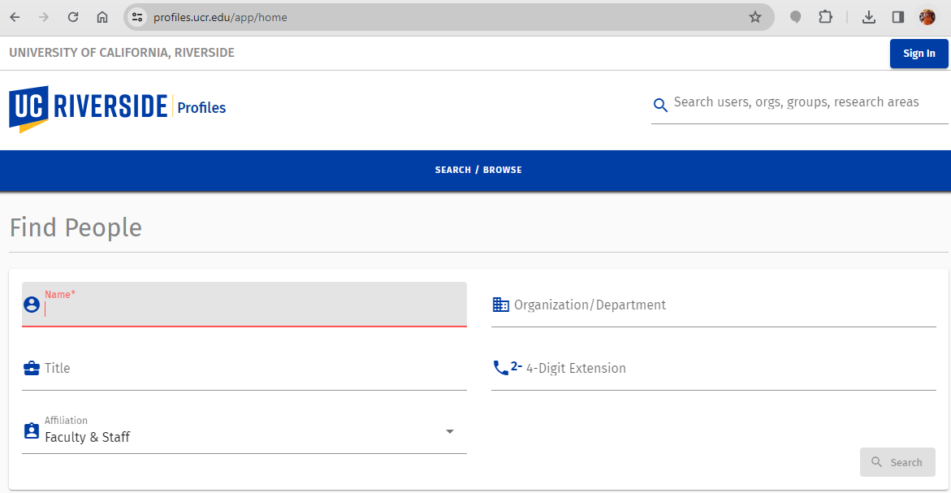

HOW DOES THE DEPT GET NOTIFIED OF THE POSITION # TO ADD COA
 | HARVEST will create (or reactivate) the position and add # to snapshot notes
 | HARVEST will email dept with the position # and request COA update in the position funding tool
 | The department can review the snapshot request for updated notes as well

WHAT IS THE PRACTICE FOR OUTSTANDING M&P
 | APSU will copy FOM and analyst who submitted the summer salary request on M&P announcement
 | This email should act as a reminder to the department to submit an updated form (HARVEST will move snapshot to initiator status so form can be uploaded)
 | Faculty do not need to approve the summer salary form again, but a comment needs to be added confirming the PI is aware of the revision

